4 (Aliased)
rating | count_of_movies | average_movie_rental_rate | maximum_rental_duration | minimum_rental_duration
PG | 194 | 3.0518556701 | 7 | 3
G | 178 | 2.8888764045 | 7 | 3

 | SELECT rating, |  |  | 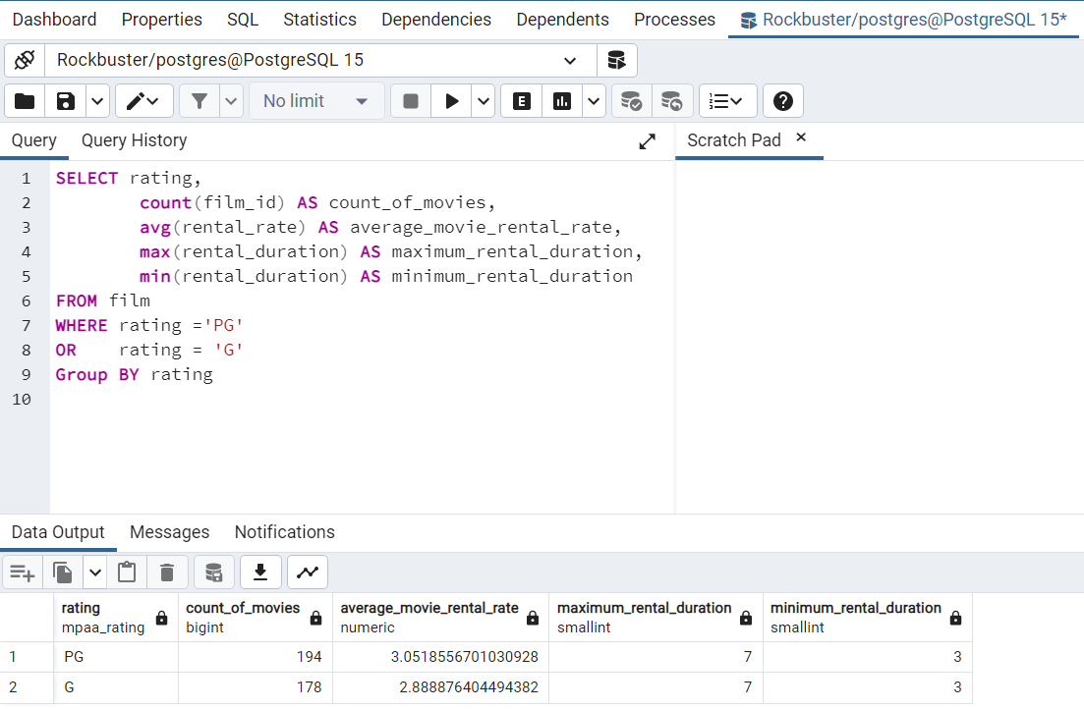
 |  | count(film_id) AS count_of_movies,
 |  | avg(rental_rate) AS average_movie_rental_rate,
 |  | max(rental_duration) AS maximum_rental_duration,
 |  | min(rental_duration) AS minimum_rental_duration
 | FROM film
 | WHERE rating ='PG'
 | OR | rating = 'G'
 | Group BY rating

